Miles
 | Miles driven |  |  |  |  |  |  | Cumulative deaths* |  |  | Miles per death
Date | Fleet | Autopilot | Nav on AP | Autopilot % | Per vehicle yr | Model 3 | Per vehicle yr | Fleet | Model S/X | Model 3 | Fleet | Source
2019-11-06 |  |  | 1,000,000,000 |  |  |  |  |  |  |  |  | https://www.youtube.com/watch?v=oBklltKXtDE
2019-03-23 |  |  |  |  |  | 1,000,000,000 |  | 43 | 40 | 3 |  | https://twitter.com/Tesla/status/1109495034959675393
2019-03-21 | 10,286,222,684 |  |  |  | 11,678 |  |  | 43 | 40 | 3 | 239,214,481 | https://www.reddit.com/r/teslamotors/comments/b3oht0/and_counting/
2018-11-28 | 9,113,481,349 | 1,000,000,000 |  | 11% | 12,001 |  |  |  |  |  |  | https://twitter.com/Tesla/status/1067810392322109441
2018-04-22 | 7,200,000,000 |  |  |  | 12,486 |  |  | 25 | 25 | 0 | 288,000,000 | https://electrek.co/2018/04/22/tesla-fleet-miles-energy-products/
2017-03-20 | 4,000,000,000 |  |  |  | 14,688 |  |  | 20 | 20 | 0 | 200,000,000 | https://electrek.co/2017/03/20/tesla-global-fleet-reaches-4-billion-electric-miles-ahead-model-3/
2016-12-26 | 3,500,000,000 |  |  |  | 15,267 |  |  | 18 | 18 | 0 | 194,444,444 | https://electrek.co/2016/12/26/tesla-global-fleet-3-5-billion-miles/
2016-10-07 | 3,032,438,215 | 222,000,000 |  | 7% | 13,228 |  |  |  |  |  |  | https://twitter.com/elonmusk/status/784487348562198529
2016-10-01 | 3,000,000,000 | 214,324,933 |  | 7% | 13,086 |  |  | 14 | 14 | 0 | 214,285,714 | https://electrek.co/2016/10/01/teslas-global-fleet-just-reached-3-billion-electric-miles-driven/
2016-05-24 |  | 100,000,000 |  |  |  |  |  |  |  |  |  | https://electrek.co/2016/05/24/tesla-autopilot-miles-data/
2016-04-09 |  | 47,000,000 |  |  |  |  |  |  |  |  |  | https://twitter.com/tesla/status/718845153318834176

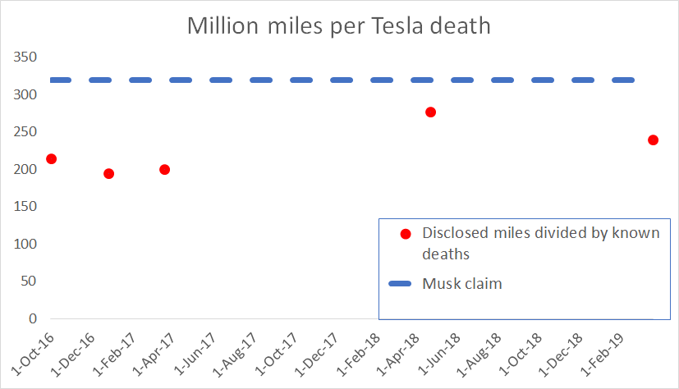
*Excludes occupants of other vehicles, includes cyclists and pedestrians (consistent with NHTSA methodology)

Notes
1. Red figures are interpolated

 |  |  |  | Need to weight the non-US average by Tesla's sales in each geography

 |  |  |  | China | Netherlands | Canada | Norway | US | Average non-US
 |  | Kilometers driven per automobile per year |  | 14,125 | 11,500 | 11,729 | 14,935 | 19,801 | 13,072
 |  | Miles driven per automobile per year |  | 8,777 | 7,146 | 7,288 | 9,280 | 12,304 | 8,123

 |  | Sources for annual mileage stats:
 |  | www.fhwa.dot.gov
 |  | www.ssb.no
 |  | www.cbs.nl

FAQ
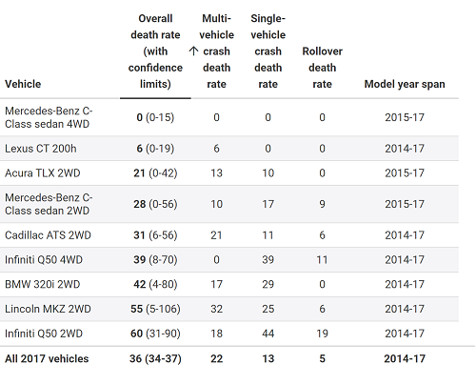
Q: What do these fatality numbers indicate? What can we compare them to?
The IIHS periodically releases data about car by type and, according to its 2017 model year dataset, plenty of so-called midsized luxury models from traditional car manufacturers (Mercedes, Lexus, etc.) experienced far fewer total fatalities than Tesla (this is even without taking into consideration existing inventory numbers). This is the closest categorization to apply to Tesla's as they certainly are not cheap, what with the total cost of a hard-to-find standard Model 3 is still more than 35,000 USD.

As of 4/20/2021, we are aware of the following non-Tesla electric vehicle deaths:
November 9, 2020: Chevrolet - Bolt - 1 death (https://kyiv.24tv.ua/ru/kieve-legkovushka-nasmert-sbil-policejskij-kriminalnye-novosti-ukrainy_n1455187)
June 18, 2020: Jaguar - IPace - 1 death (https://www.bt.no/nyheter/lokalt/i/vQa4ym/19-aaring-doede-etter-ulykke-paa-soeraas)
May 29, 2012: BYD - e6 electric taxi - 1 death (https://www.greencarreports.com/news/1076517_byd-e6-electric-taxi-burns-after-112-mph-drunk-supercar-driver-crash)

Q: Why do you include deaths where the Tesla was not at fault?
A: NHTSA death statistics cited by Elon Musk do not differentiate between at-fault and not-at-fault. All manufacturers are treated the same way. For the purposes of calculating Tesla fatalities in accordance with NHTSA methodology, I also do not include the many deaths in other vehicles, despite Teslas being at fault in the majority of those cases.

Q: Why do you include deaths in other vehicles, as well as pedestrian and cyclist deaths?
A: There is also a column that shows only driver deaths

Q: Your data captures all driving miles. But AutoPilot is safer
A: See the Jalopnik article on the 'Resources' tab, which discusses the NHTSA coverup of AutoPilot data

Q: You are just counting deaths in news articles. You can't base any conclusions on that
A: Deaths reported in news articles are a lower bound on Tesla deaths
 | Data available at IIHS.org.
Q: Tesla only has 3x the driver deaths of luxury vehicles because you're comparing Tesla to Lamborghinis and Bugattis that are seldom driven
A: No. The 'Medium' article on the 'Resources' tab compares Teslas to BMW, Lexus, and Mercedes

Q: You include a death where a piece of concrete fell on a Tesla. That's absurd!
A: See the first question above. Auto fatality statistics include *all* deaths, no matter how absurd. So to compare Tesla to other vehicles, we need to include all deaths.

Backlog
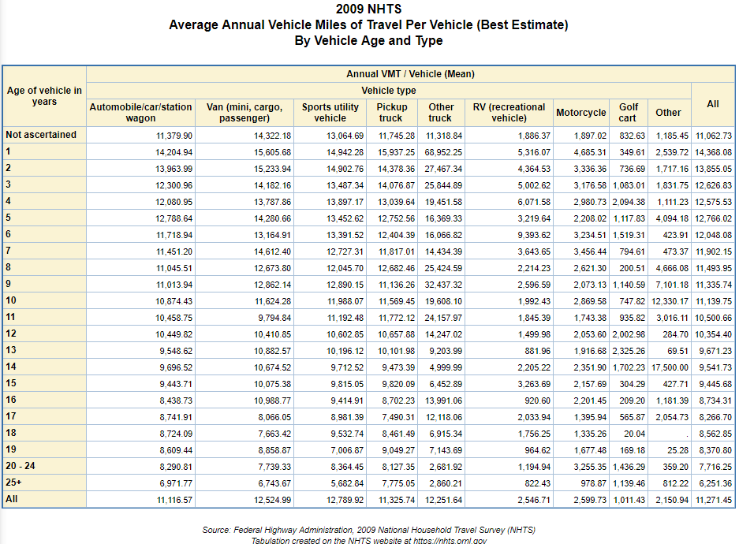


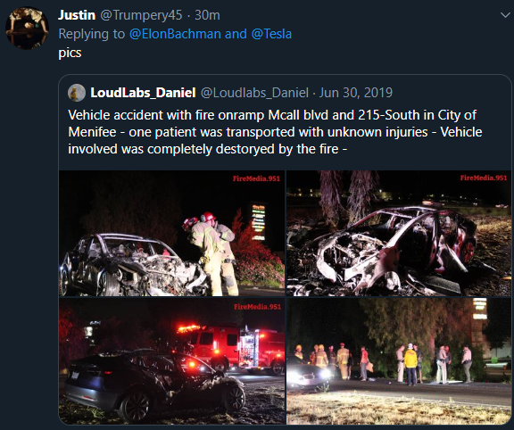
 |  |  |  |  | Details for unreported June 30, 2019 Autopilot death:
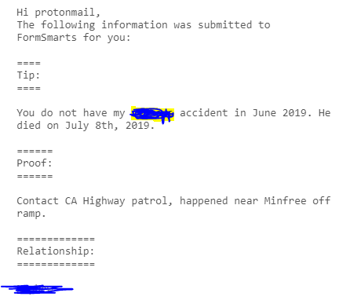

FARS-NHTSA instructions:
Click on "Vehicle" search option on the query page, then download the entire dataset as CSV. See 2018 file for Make codes

NHTSA-FARS years checked: |  | NHTSA EWR quarters checked: |  | Note
2011 |  | Q1 2019 | x | The Q1 2019 report includes a death on Nov 10, 2018 that we classify as Nov 9, 2018 (and it was eventually two deaths)
2012 | x
2013 | x
2014 | x
2015 | x

2016 | x
2017 | x
2018 | x
2019

